HOME
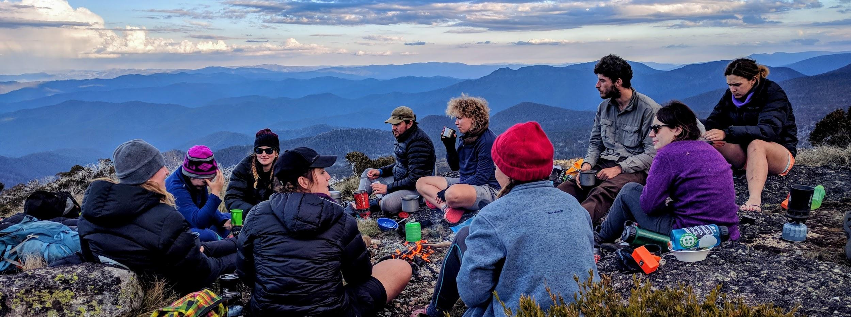
Make and customise your own logbook using this template | OUTDOOR ACTIVITIES LOGBOOK
delete this column after you make your own copy | Name Here
*Option 1: In the Cloud Blue button top right: Sign in to your google account, or create one; Then top left 'File' > 'Make a Copy', and a pop out box will appear. Enter what you want to call it, and your own private editable copy is saved to Your google drive. *Option 2: On your harddrive Go File > Download as > Microsoft xlsx and save to your computer For Ease and Convience An advantage of this logbook is it can stay live in your google drive and be accessable from anywhere any time. From the cloud it can be embedded into your eportfolio, an online staff file, etc, and as such it will always be current. You can login and update it anywhere anytime, from your mobile or desktop. Its very simple No more old versions become outdated, lost on thumb drives, or crash, damaged or stolen from hard drives. Only you can see the entire history of your logbook in File > see revision history, and as such retore to any particular date in the history of the logbook. Share and viewing permission can be turned on or off anytime. A page can still be downloaded as a pdf and attached to an email the traditional way. . Free for all This logbook has evolved to meet workplace requirements, and has been developed through consultation and the collaboration of a lot of people. There is no copyright as its free for any outdoor leader educator to use.
 | In the tabs below you will find a record of my experience in a number of outdoor education recreation activities. These logged experiences vary from personal participation; part of my own education and training including work placement as assistant leader; group leading; to teaching/training outdoor leaders; and finally any professional development both formal and informal.
 | Summary of Activity Sheets (auto-filled)
 | DAYS | Bush | Alpine | Flatwater | WhiteWater | Sea | MTB | Cave | Climb | Abseil | Ropes | ABL
 | Total Days | 4 | 0 | 0 | 0 | 0 | 0 | 0 | 0 | 0 | 0 | 0
 | Personal | 0 | 0 | 0 | 0 | 0 | 0 | 0 | 0 | 0 | 0 | na
 | Edu/training | 0 | 0 | 0 | 0 | 0 | 0 | 0 | 0 | 0 | 0 | 0
 | Leading | 4 | 0 | 0 | 0 | 0 | 0 | 0 | 0 | 0 | 0 | 0
 | Teaching | 0 | 0 | 0 | 0 | 0 | 0 | 0 | 0 | 0 | 0 | 0

Tips
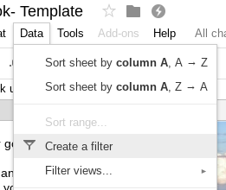
If you are not familiar with google sheets, here are a few common tips you may find helpful

For privacy, check disable option, and either privately invite people to view, or make link viewable and share that. You can later always deleted invited viewers, or turn off viewable link | Select cells, and set to text wrap | freeze Rows or Columns
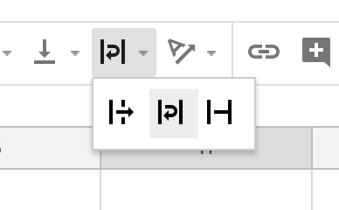
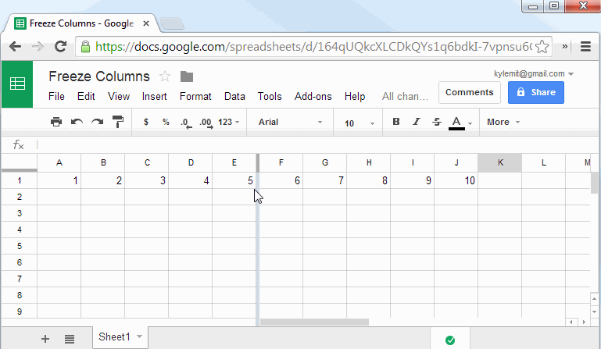

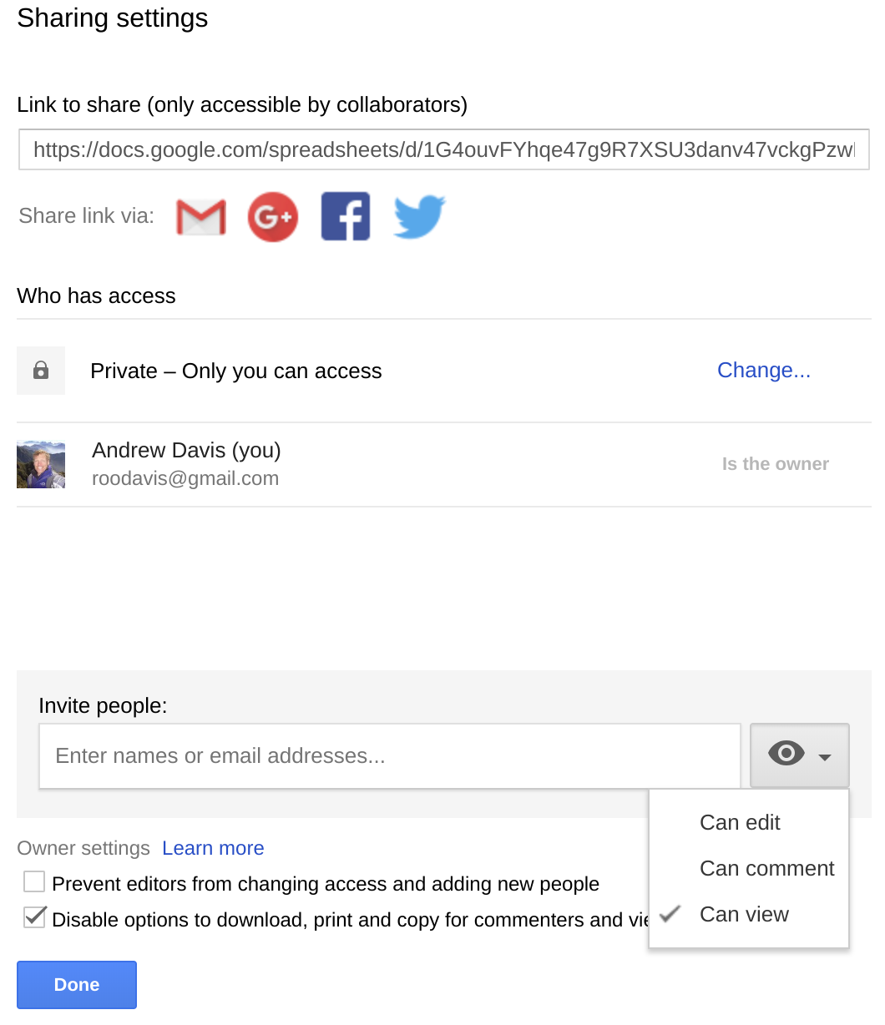

 | If wanting to enter data into a cell and you want to start a new line Then hit Control/Enter

 | FILTER- There are lots of ways to filte sheets to show just the data you want to display

